READ ME
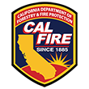
CAL FIRE Tribal Wildfire Resilience Grants
Project Workbook

Deliverables List the goals and objectives of a successful project. Be as specific as possible.

Treatment Acres
The Treatment Acres worksheet must specify the treatment areas, ownership type, and funds to be spent by treatment. List only one ownership type and only one treatment type per row. All treatment areas must be included and a treatment area may need to be listed more than once.
Treatment Options Details to help complete the Treatment Acres tab. Defines and displays Treatment Objective and Treatment Activity Options

Environmental Compliance
List all the treatment areas and treatments proposed to be funded under the grant in the Environmental Compliance worksheet. Identify the environmental compliance document that have been "completed and filed" or "not completed and filed." The documents that have been completed and filed should be submitted with the grant application. All environmental permitting must be completed within one year of the grant agreement start date.

Email enviromental compliance questions to tribalwildfireresilience@fire.ca.gov and cegrants.ceqa@fire.ca.gov

Options to Choose for Environmental Compliance documents | Definition
Unsure | Unsure of how environmental compliance will be satisfied
CEQA satisfied by completed NEPA | Using a statutory exemption, CAL FIRE will be the lead agency to file a CEQA NOE after grantee furnishes a completed NEPA document, per AB 211 (previously SB 901).
CEQA Mitigated Negative Declaration (MND) | Environmental compliance will be satisfied with an existing or new CEQA document. This may include filing a Notice of Exemption NOE for a statutory or categorical exemption to CEQA.
CEQA Negative Declaration (ND) | Environmental compliance will be satisfied with an existing or new CEQA document. This may include filing a Notice of Exemption NOE for a statutory or categorical exemption to CEQA.
CEQA Notice of Categorical Exemption (CE-DN/NOE) | Environmental compliance will be satisfied with an existing or new CEQA document. This may include filing a Notice of Exemption NOE for a statutory or categorical exemption to CEQA.
CEQA Notice of Statutory Exemption (SE-DN/NOE) | Environmental compliance will be satisfied with an existing or new CEQA document. This may include filing a Notice of Exemption NOE for a statutory or categorical exemption to CEQA. CAL FIRE Sacramento HQ may be lead agency.
CEQA Environmental Impact Report (EIR) | Environmental compliance will be satisfied with an existing or new CEQA document. This may include filing a Notice of Exemption NOE for a statutory or categorical exemption to CEQA.
CAL FIRE ERRF (in conjuction with NOE) | CAL FIRE Sacramento HQ may be lead agency.
CAL FIRE VTP Project Specific Analysis (PSA) | CAL FIRE Sac HQ is NOT lead agency. Local unit will work with grantee.
CAL FIRE VMP Project Plan (VMP) | CAL FIRE Sac HQ is NOT lead agency. Local unit will work with grantee.
Timber Harvest Plan | CEQA environmental compliance will be satisfied using a THP document. Note, this is only appropriate for commercial timber operations.
Other | Some other specific environmental compliance

Deliverables
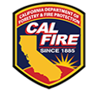

 | CAL FIRE Tribal Wildifre Resilience Grants Program

Purpose | Outcomes (Things You Plan to Achieve), Up to 12 please | When?
1. Paid on time & reporting up to date! | Project invoicing & reporting. Includes acres treated & deliverable updates | Quarterly

 | Hiring and/or Contracting (Please describe?) | Starts in ____. Annually on ____.

 | (Brief Description: do what? How many?) | (Time started and time completed Season, Year])

2. (Add your goal here) | (Brief Description: do what? How many?)

3. (Add your goal here)

4. (Add your goal here)

Treatment Acres
CAL FIRE Tribal Wildfire Resilience
Treatment Tracking Sheet

Instructions
1. Select Project Type. For planning projects with no acres treated on the ground, this worksheet will be complete, the rest of the table will be blank. Please see the "Treatment Options" worksheet for more information and definitions on Treatment Objectives, Treatment Activities, and Broad Vegetation Type while completing this woksheet.
2. For all projects with any acres treated on the ground that directly change the landscape:
a) Enter the total number of acres treated in cell C14 (the red one). If some acres have more than one activity, they are counted only ONCE here.
b) List all treatments.
c) Each row should have only one ownership type, fire response jurisdiction, treatment objetive, and treatment activity. Include one objective and one activity per row. If one place has multiple treatments, they would be multiple rows. If one treatment occurs over more than one ownership, there would be a row for each ownership type.
d) The dropdown menus have Treatment Objectives and Treatment Activities, These are listed in the treatment Options tab. If you plan to do work that these activities don't describe well, please select the closest option and describe it in COLUMN G.

 | Project type:

GROUND-DISTURBING ACTIVITY INFORMATION
 | TOTAL UNIQUE FOOTPRINT ACRES IN PROPOSED PROJECT= |  |  |  | GRANT FUNDS COST PER ACRE= |  |  |  | TOTAL COST PER ACRE=
 |  | (enter value above) |  |  |  |  | (auto calculated) |  |  | (auto calculated)
 |  |  |  |  |  |  |  |  |  |  | (auto calculated)
Treatment Number | Treatment Area Name | Ownership Type | Jurisdiction | Treatment Objective | Treatment Activity | Activity Description (Optional) | Proposed Acres To Be Treated | Broad Vegetation Type | Grant Funds | Matching Funds | Activity Total Cost per Acre | Notes
A | Example Area 1 | Forest Service | FRA | Reforestation | Tree Planting (Manual) |  | 1000 | Timber | $350,000 | $0 | $350
B | Example Area 2 | Tribal - Fee Title | LRA | Tribal_Land_Management | Ecosystem-Specific Tending Activity (please describe) | Oak & acorn restoration: hand thin and pile for fuel reduction & to remove competing vegetation | 50 | Timber | $100,000 | $25,000 | $2,500
C | Example Area 2 | Tribal - Trust Land | FRA | Tribal_Land_Management | Ecosystem-Specific Tending Activity (please describe) |  | 50 | Timber | $50,000 | $25,000 | $1,500
D | Example Area 3 | Private (non-industrial) | SRA | Fuels_Reduction | Other |  | 50 | Timber | $100,000 | $25,000 | $2,500

Sums | -- | -- | -- | -- | -- |  | 0 | -- | $0 | $0 | $0
 |  |  |  |  |  |  | (the sum of treated acres should be equal or greater than total unque footprint acres)

Environmental Compliance
Instructions:
Enter the Treatment Component Number (TCN) as listed on the Treatment Acres Sheet. Complete the pink highlighted cells for each treatment number.

CAL FIRE Tribal Wildfire Resilience Program
Environmental Compliance Sheet

Treatment Number | Lead Agency | Document to Be Used for State Requirement | Date Filed | Document Expiration Date | Document Status | Document # | Contractor for Document Preparation | Notes (Optional)
1 | CAL FIRE | CEQA satisfied by completed NEPA | 2018-08-18 | 2019-08-17 | In Progress | 1-22EM-00042-SAC | XYZ Forestry & Assoc
2 | Sacramento RCD | CEQA | 2021-06-20 |  | In Progress | 2021000123 | XYZ Forestry & Assoc
3 | Sacramento County | Timber Harvest Plan | 2021-06-20 |  | Completed | Pending | ABC Environmental
4 | BIA | Unsure | N/A | N/A | Not Started | Pending | BIA

Treatment Options
CAL FIRE Tribal Wildfire Resilience Program Diagram of Relationships between Treatment Objectives and Activities
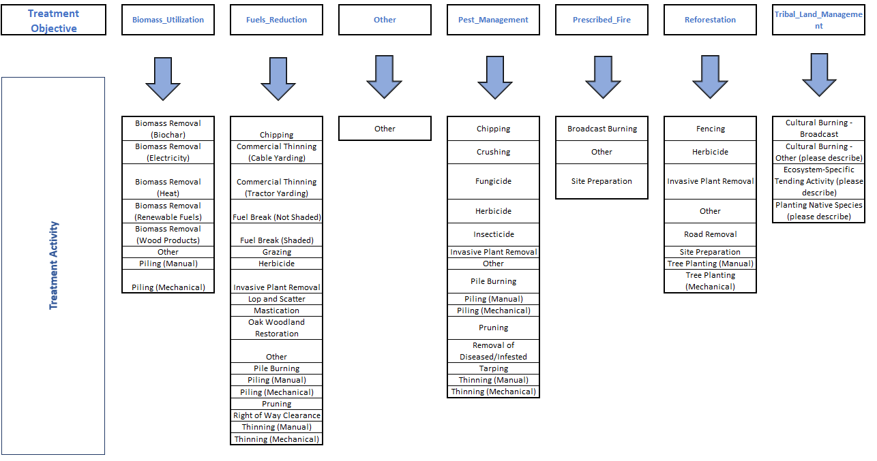

CAL FIRE Tribal Wildfire Resilience Program Definitions of Treatment Objectives
Biomass Utilization
Work conducted in an area where the primary objective is to utilize woody biomass for wood products, and/or generate energy through combustion or gasification, and/or utilize woody biomass to help develop markets for beneficial uses of the material.
Fuels Reduction
Work conducted in an area where the primary objective is to reduce fuel loads. Work should be focused on treating understory trees and brush with the goals of reducing fire hazards, improving tree growth, stabilizing carbon in retained trees, and increasing forest resilience.
Pest Management
Work conducted in an area where the primary objective is to address pest control and related forest health improvement, while reducing pest-related mortality, improving tree growth and vigor, stabilizing carbon retained in trees, and increasing forest resilience.
Prescribed Burning
Work conducted in an area where the primary objective is to reintroduce fire to fire-adapted forest ecosystems. The work may serve multiple purposes, including reducing fuel loads; creating heterogenous and diverse vegetation; maintaining ancestral practices of indigenous communities; and/or promoting healthy ecosystem processes (e.g., water storage, pest resistance).
Reforestation
Work conducted to promote the reforestation of understocked forestland and areas burned by wildfire to increase carbon sequestration and rebuild natural habitats and ecosystems. Planting should establish a diverse, native forest, which will result in stable carbon sequestration and storage, improved watershed and habitat functions, and forest resilience.

CAL FIRE Program Tribal Wildfire Resilience Definitions of Treatment Activities
Biomass Removal (Biochar): Biomass (tree limbs, tops, and woody material) removed from the site by manual or mechanical means for use in biochar.
Biomass Removal (Electricity): Biomass (tree limbs, tops, and woody material) removed from the site by manual or mechanical means for use in electrical generation.
Biomass Removal (Heat): Biomass (tree limbs, tops, and woody material) removed from the site by manual or mechanical means for use in alternative sources of heating.
Biomass Removal (Renewable Fuels): Biomass (tree limbs, tops, and woody material) removed from the site by manual or mechanical means for use in biofuels.
Biomass Removal (Wood Products): Biomass (tree limbs, tops, and woody material) removed from the site by manual or mechanical means for use in wood products.
Broadcast Burning: Prescribed burning where fire is applied to the majority or entire area within a well-defined boundary for reduction of fuel hazard, as a resource management treatment, or both.
Chipping: Breaking, cutting, or grinding trees into wood chips and leaving on site. Note: see biomass removal activities if removing woodchips off-site.
Commercial Thinning (Tractor Yarding): Removal of trees by tractor yarding for commercial purposes (sawlogs, dimensional lumber) and to reduce stocking.
Commercial Thinning (Cable Yarding): Removal of trees by cable yarding for commercial purposes (sawlogs, dimensional lumber) and to reduce stocking.
Cultural Burning: "the intentional application of fire to land by a California Native American tribe, a tribal organization, or a cultural fire practitioner to achieve cultural goals or objectives, including for sustenance, ceremonial activities, biodiversity, or other benefits." Cal. Civ. Code § 3333.8 (a)
Demonstration Data Collection: Installation, observation, data collection and/or maintenance of demonstration project area. Ecosystem Specific Tending Activities: The intentional, prescribed modification of ecosystems to benefit California Native American tribes, tribal , tribal organizations, or cultural fire practitioners (as defined by PRC 4002.6). Includes pruning and tending activities that may be specific to each area.
Facilitated Donation: Acquisition of land by landowner donation to protect and maintain traditional forestland benefits, such as timber production, wildlife habitat, watershed protection and/or open space. Note: only use for Land Protection objective.
Fencing: Fencing to protect sensitive wildlife habitat such as wet meadow sites, riparian areas, seedling establishment site, and streams.
Fuel Break (Shaded): Removal of vegetation to create a gap in vegetation (fuels) that acts as a barrier to slow or stop the progress of wildlife. Overhead canopy is retained in a shaded fuel break.
Fuel Break (Not Shaded): Removal of vegetation to create a gap in vegetation (fuels) that acts as a barrier to slow or stop the progress of wildlife. Overhead canopy is removed in a fuel break.
Fungicide: Application of fungicide used to target and kill undesirable fungicide.
Grazing: Livestock grazing for the purposes of reducing fire fuels.
Herbicide: Application of herbicide used to target and kill undesirable plants.
Imagery Data Collection: Acres with imagery including LiDAR, sonar, high resolution aerial imagery, etc.
Insecticide: Application of insecticide used to target and kill undesirable insects.
Invasive Plant Removal: Manual removal of invasive plant species.
Lop and Scatter: Hand method of cutting limbs and tops of felled trees into smaller pieces and scattered across the site.
Mastication: Pulverizing vegetation down to ground level using a masticator.
Other: Please provide specific information including explanation of why this does not fit within the activities listed.
Piling (Manual): Hand piling of fuels.
Piling (Mechanical): Machine piling of fuels.
Pile Burning: Burning of piled material including hand and machine piles.
Planting: The establishment or re-establishment of forest cover artificially by planting seedlings and/or cuttings with or without site preparation. Planting Native Species: Planting of native vegetation in order to meet cultural objectives that may include erosion control, biodiversity, subsistence or other benefits. This is distinct from timber or oak reforestation planting, which goes in the Reforestation category.
Pruning: The removal of side branches and multiple leaders from a standing live tree.
Purchase of Fee Title: Acquisition by purchase of fee title of land to protect and maintain traditional forestland benefits, such as timber production, wildlife habitat, watershed protection and/or open space.
Purchase of Conservation Easement: Acquisition by purchase of conservation easement of land to protect and maintain traditional forestland benefits, such as timber production, wildlife habitat, watershed protection and/or open space.
Oak Woodland Restoration: Any forest management activity with the primary intent of oak woodland restoration.
Research Data Collection: Installation, observation, and/or maintenance of research area.
Removal of Diseased/Infested Trees: Cutting down trees that are infected, diseased, or susceptible to pests for the purposes of pest management.
Right of Way Clearance: Work conducted within the right of way along fire roads, county roads, or highways for purposes of improved ingress and egress. This includes the removal of dead trees resulting from insect or drought. Right of Way Clearance is not done with the intent of stopping a fire at the location of work but instead focuses on ingress and egress enhancement. Do not use if the intent is to stop a fire.
Road Removal: Removing previously constructed roads and returning to a forested state. May include grading and planting.
Site Preparation: The removal or alterations of fuels or ground material to prepare for prescribed fire or reforestation. Includes constructing piles, constructing fire line, soil ripping, etc.
Tarping: Cover and seal a wood pile with clear UV resistant plastic to prevent forest pests (Bark Beetle, GSOB, etc.) from emerging from infested wood or colonizing freshly cut wood, preferably placed in full direct sunlight.
Thinning (Manual): Manually cutting trees to reduce stocking or fuel loading, including pre-commercial thinning. If commercializing, see commercial thinning or biomass options.
Thinning (Mechanical): Mechanically cutting trees to reduce stocking or fuel loading, including pre-commercial thinning. If commercializing, see commercial thinning or biomass options.
Tree Shelters: Installation of tree shelters, which are tubes placed over seedlings to protect from deer, rabbits, or other wildlife and from sun scald.
Tree Planting (Manual): Planting of trees manually to increase stocking.
Tree Planting (Mechanical): Planting of tree mechanically to increase stocking.

CAL FIRE’s CalMAPPER Definitions of Vegetation Types
The Treatment Area worksheet solicits information about the vegetation type that characterizes the area in which ground-disturbing treatment activities occur (please see the “Broad Vegetation Type” column in the Treatment Tracking sheet). This information is entered into CAL FIRE’s CalMAPPER platform. To identify the Broad Vegetation Type, ground observation is sufficient to determine the general vegetation type in the area in which a treatment activity takes place. If multiple types are present within a treatment activity area, choose the majority vegetation type. Please refer to the following definitions.
Grass: Areas dominated by grasses or herbaceous vegetation and exhibiting tree or shrub canopy below 10%.
Brush: Areas dominated by at least 10% cover of brush also commonly referred to as shrub, scrub, or bush. These lands are dominated by woody plants but lack tree cover.
Woodland: A low-density forest forming open habitats with plenty of sunlight and limited shade. Tree species can include oaks as well as juniper, gray pine, and pinyon pine.
Timber: Areas dominated by at least 10% conifer trees. Excludes areas dominated by juniper, gray pine, and pinyon pine, which typically form open woodland habitats.

